Application Screen
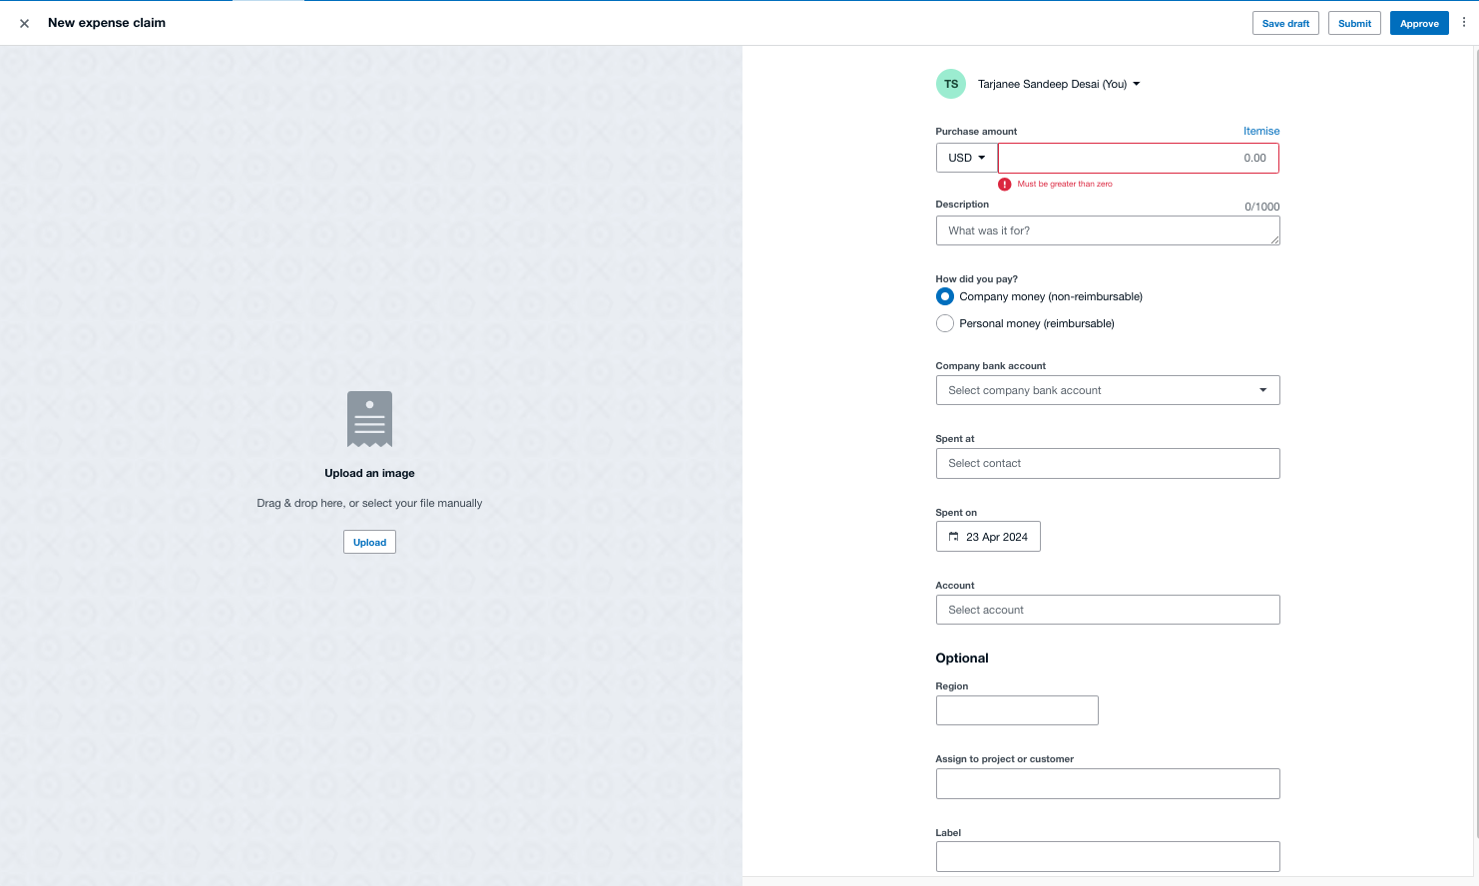

Test Case 14
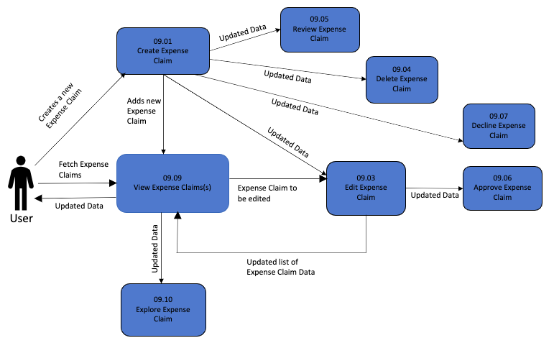
TC Title: | TC14. Create Expense Claim - Data Flow-Out Testing

TC Objective: | The objective of this test case is to assess the integration and data coherence of purchase order creation within the broader ecosystem of the application, particularly examining how data generated during purchase order creation interacts with and affects other core functionalities such as editing, deleting, reviewing, approving and viewing expense claims.

TC Description

 | Step | Step Description | Expected Results
 | 1 | Create an expense claim. | The expense claim creation process is successfully completed without errors.
 | 2 | Navigate to the sections for editing, deleting, declining, approving, and viewing expense claims. | The sections for editing, deleting, declining, approving, and viewing expense claims are easily accessible.
 | 3 | The created expense claim is listed in the appropriate sections. | The created expense claim is listed in the sections for editing, deleting, and reviewing expense claims.
 | 4 | Edit the created expense claim. | The expense claim can be edited without issues, and changes are reflected accurately.
 | 5 | Delete the created expense claim. | The expense claim can be deleted without errors, and the deletion is reflected in the expense claims list.
 | 6 | Decline the created expense claim. | The expense claim can be declined without errors, and the declined status is reflected in the expense claims list.
 | 7 | Approve the created expense claim. | The expense claim can be approved without errors, and the approved status is reflected in the expense claims list.
 | 8 | View the details of the created expense claim. | The details of the created expense claim can be viewed accurately, showing all relevant information.
 | 9 | Review the list of expense claims. | The list of expense claims includes the created expense claim and reflects any changes made during the testing process.

